LOCATOR MAP
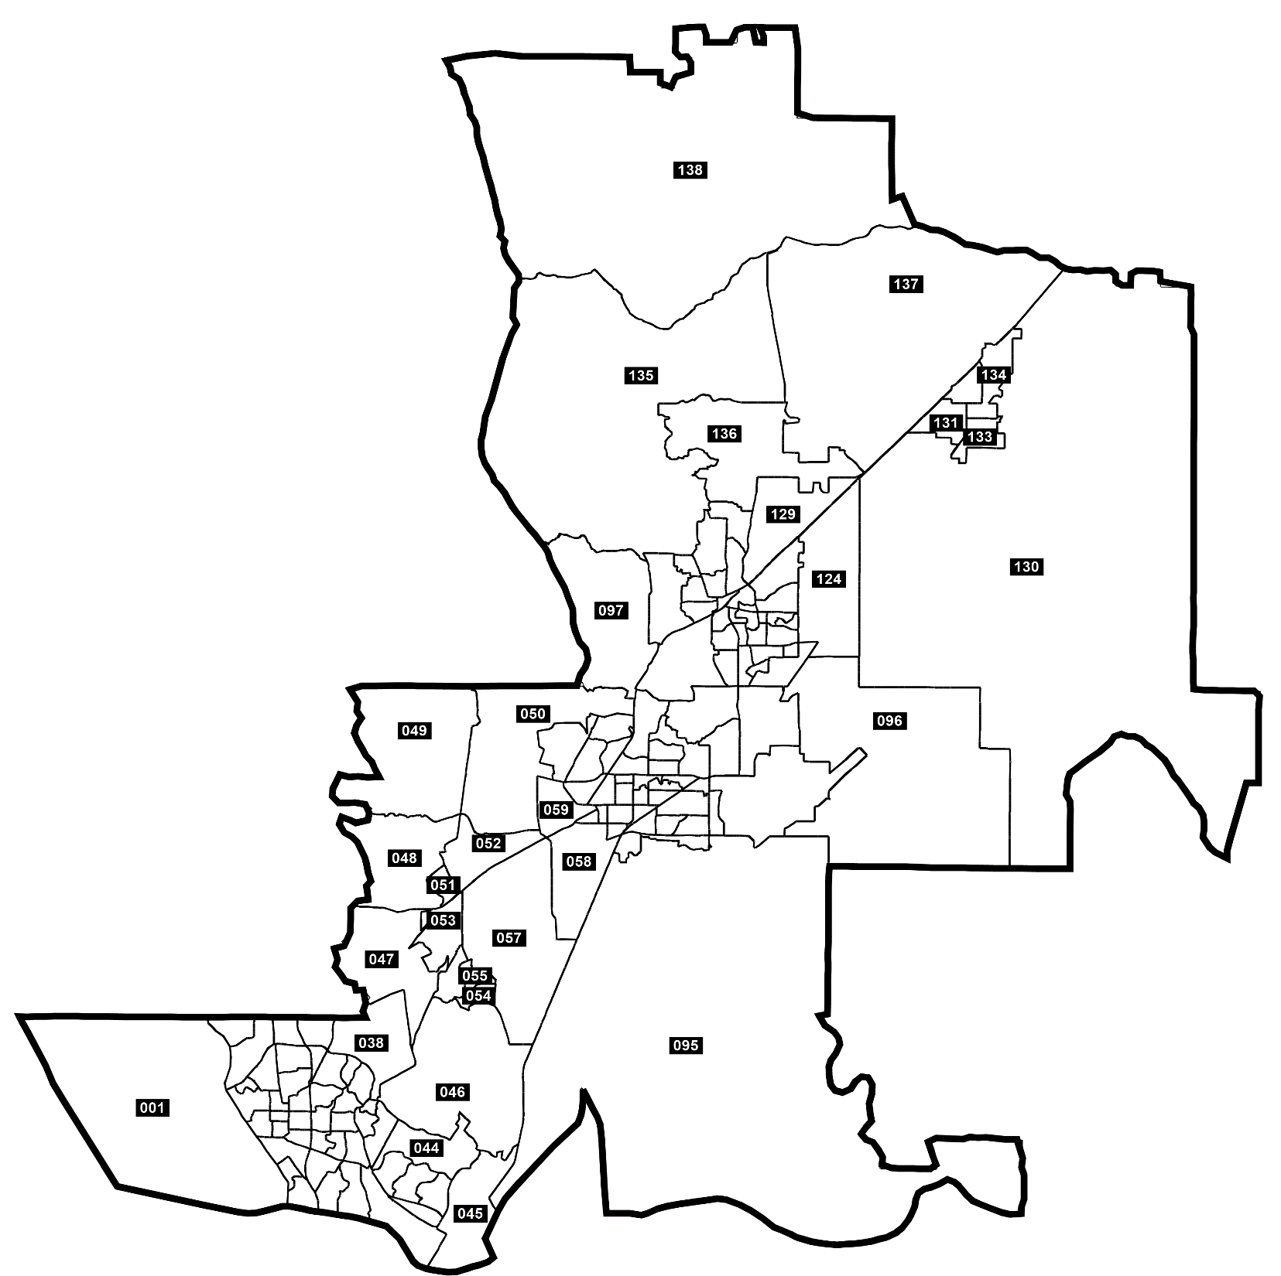
Solano Community College Redistricting Proposal
Locator map

LOCATOR MAP (ZOOMS)
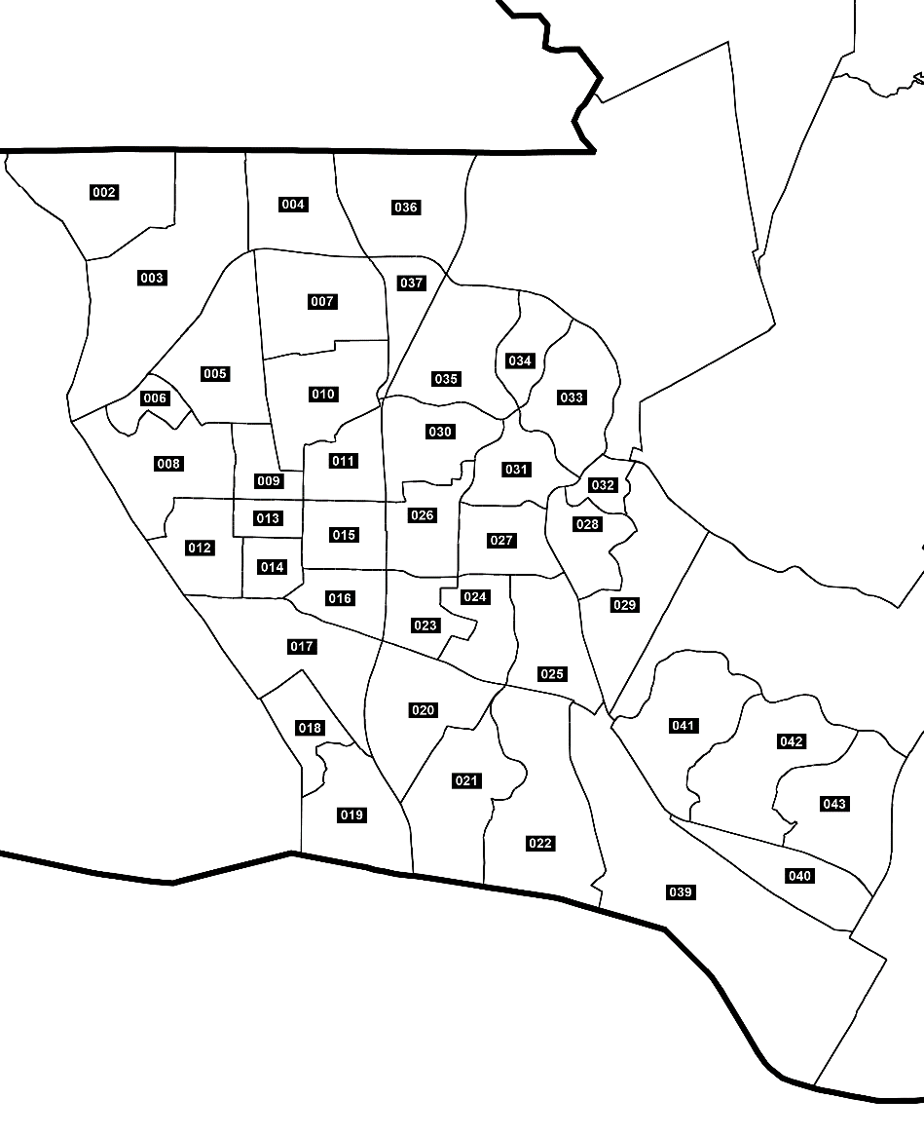
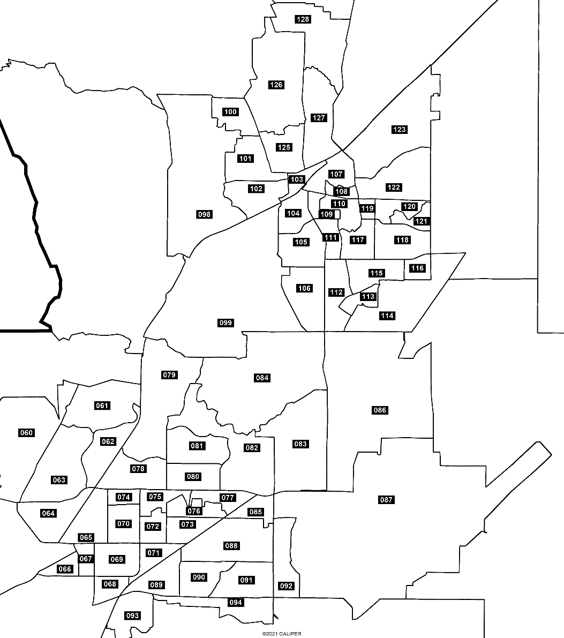
Solano Community College Redistricting Proposal
Locator map (Zooms)

